AL5958Q Design Calculator
AL5958Q Design Calculator
 |  |  |  | Version：1.0 Update date:2024/08/09
Application Diagram
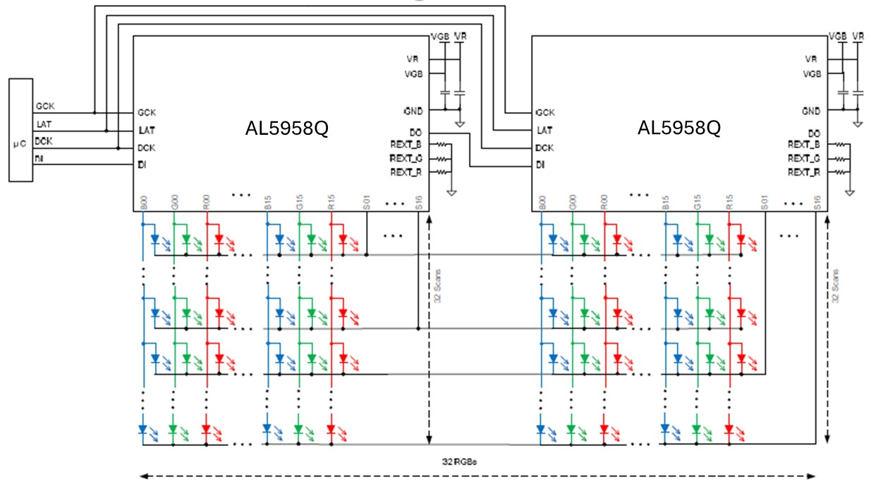

 |  |  | User Entry
 |  |  | Calculated

Application Specification
SYMBOL | DESCRIPTION | VALUE | UNIT | NOTES
Design type | LED color number | 2-colors LED | - | Select 1 color to 3 colors
- | LED matrix - Horizontal Axis Resolution = 1 pixel, 1 pixel = 1 color、2 color or 3 color LED | 196 | - | Horizontal LED quantity. Put the long side here (X-Axis)
- | LED matrix - Vertical Axis Resolution = 1 pixel, 1 pixel = 1 color、2 color or 3 color LED | 142 | - | Vertical LED quantity (Y-Axis)
Iavg1 | LED average current1 in SCAN applications | 1.0 | mA | For color 1 Iavg ≅ Iout / SCAN, In non-SCAN type, Iavg = Iout
Iout1 | LED peak current1 Source constant-current outputs / per ch. | 10.0 | mA | REXT and GCC setting LED peak current1 for 1 color LED design
GCC1 | Current Gain1 for 1 color LED design | 111111 | 100.00% | GCC Default Value = 111111 , adjustable range 000000 - 111111
Iavg2 | LED average current2 in SCAN applications | 1.0 | mA | For color 2 Iavg ≅ Iout / SCAN, In non-SCAN type, Iavg = Iout
Iout2 | LED peak current2 Source constant-current outputs / per ch. | 10.0 | mA | REXT and GCC setting LED peak current2 for 2 colors LED design
GCC2 | Current Gain2 for 2 colors LED design | 111111 | 100.00% | GCC Default Value = 111111 , adjustable range 000000 - 111111
Iavg3 | LED average current3 in SCAN applications | 1.0 | mA | For color 3 Iavg ≅ Iout / SCAN, In non-SCAN type, Iavg = Iout
Iout3 | LED peak current3 Source constant-current outputs / per ch. | 10.0 | mA | REXT and GCC setting LED peak current3 for 3 colors LED design
GCC3 | Current Gain3 for 3 colors LED design | 111111 | 100.00% | GCC Default Value = 111111 , adjustable range 000000 - 111111
DCK | Synchronous clock input_single edge clock | 8 | MHz | Maximum DCK_single edge = 26MHz , DCK_double edge = 13MHz Recommended DCK=5MHz~10MHz
GCK | External grayscale clock input for PDM operations | 8 | MHz | Maximum GCK = 32MHz , Recommended GCK=5MHz~10MHz
SCAN | Multiplexing structure | 29 | SCAN | Enter the SCAN number from either Option 1 or Option 2 here
Frame | Frame rate | 240 | Hz | Typical Frame rate = 60Hz, change to 120Hz reduce the ideal cascading number of devices, increase the number of MCU of GPIO ports for LED matrix control
Option1：SCAN number depends on actual LED average current and peak current
- | Ideal SCAN - consider LED current（average and peak） | 10 | SCAN | SCAN number ≅ Iout / Iavg
- | Total AL5958Q Devices for Horizontal Axis | 9 | devices
- | Total AL5958Q Devices for Vertical Axis | 15 | devices
- | Total number of AL5958Q | 135 | devices | Horizontal Axis x Vertical Axis
- | Ideal Cascading Number of AL5958Q DCK= 8 MHz | 2 | devices
Data N | Number of MCU GPIO ports for LED matrix control | 71 | port | AL5958Q 4 wires control：DCK、LAT、GCK、DI x N
Option2：SCAN number depends on the number of vertical LEDs
- | Ideal SCAN - does not consider LED current | 29 | SCAN | SCAN number ≅ Number of vertical LEDs / (Number of vertical LEDs / 32)
- | Total AL5958Q Devices for Horizontal Axis | 9 | devices
- | Total AL5958Q Devices for Vertical Axis | 5 | devices
- | Total number of AL5958Q | 45 | devices | Horizontal Axis x Vertical Axis
- | Ideal Cascading Number of AL5958Q DCK= 8 MHz | 0 | devices
Data N | Number of MCU GPIO ports for LED matrix control | #DIV/0! | port | AL5958Q 4 wires control：DCK、LAT、GCK、DI x N
Final SPEC
LED type | LED color number | 2-colors LED | - | -
LED matrix | # of Horizontal LEDs | 196 | LEDs | Resolution = 1 pixel, 1 pixel = 1 color、2 color or 3 color LED
LED matrix | # of Vertical LEDs | 142 | LEDs | Resolution = 1 pixel, 1 pixel = 1 color、2 color or 3 color LED
LED matrix | Total number of LEDs = # of Horizontal LEDs x # of Vertical LEDs | 27832 | LEDs | Integrated LED, 2-in-1 LED or 3-in-1 LED
LED matrix | Total number of LEDs = (# of Horizontal LEDs x # of Vertical LEDs) x 2 | 55664 | LEDs | Individual LED, single color LED
Iout1 | Source constant-current outputs / per channel | 10.00 | mA | For color1 , Iout=0.5~20mA
GCC1 | Current Gain1 for 1 color LED design | 111111 | 100.00% | GCC Default Value = 111111 , adjustable range 000000 - 111111
REXT1 | External resistors for output current value setting | 1300 | Ω | Calculation base on GCC = 111111 = 100%
PD_REXT1 | Power dissipation of REXT1 | 0.001 | W
Iout2 | Source constant-current outputs / per channel | 10.00 | mA | For color2 , Iout=0.5~20mA
GCC2 | Current Gain2 for 2 colors LED design | 111111 | 100.00%
REXT2 | External resistors for output current value setting | 1300 | Ω | Calculation base on GCC = 111111 = 100%
PD_REXT2 | Power dissipation of REXT2 | 0.001 | W
Iout3 | Source constant-current outputs / per channel | 10.00 | mA | For color3 , Iout=0.5~20mA
GCC3 | Current Gain3 for 3 colors LED design | 111111 | 100.00%
REXT3 | External resistors for output current value setting | 1300 | Ω | Calculation base on GCC = 111111 = 100%
PD_REXT3 | Power dissipation of REXT3 | 0.001 | W
DCK | Synchronous clock input | 8 | MHz | Maximum DCK = 26MHz , Recommended DCK=5MHz~10MHz
GCK | Grayscale Clock for APDM operations | 8 | MHz | Maximum GCK = 32MHz , Recommended GCK=5MHz~10MHz
Frame | Frame rate | 240 | Hz
Grayscale | Grayscale | #NUM! | bit
SCAN | Multiplexing structure | 29 | SCAN
N series_Frame-60Hz | Ideal Cascading Number of AL5958Q at 8MHz ,29 SCAN | 0 | devices

