AL5822 Calculation tool
AL5822 Calculation tool Version 1.7
Input | Maximum LED Voltage | VLED_max= | 42 | V | Ensure that: (VLED_max + 0.5* Vpk-pk + 5V) < VOVP Otherwise increase VOVP or decrease VLED_max | Setting Value
 | Minimum LED Voltage | VLED_min= | 30 | V |  | Calculated Value
 | Output Voltage Ripple | Vpk-pk= | 3 | V |  | Default Value
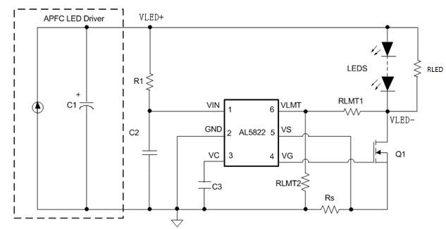
 | Average Output Current | Io= | 1.25 | A
 | Max. Vout@LED open | VOVP= | 48 | V | VOVP is the open voltage of pre-stage output when system operates without AL5822

1.R1 Calculation | Serial Resistor on VIN | R1= | 15 | kohm | Ensure that VLED+ > VSCP_TH (@ VVIN=14.5V), otherwise, increase R1 or C2; This requirment ensure AL5822 could trigger SCP in Short to Startup test. Recommend C3=1uF~2.2uF
 | Supply Capacitor | C2= | 1 | uF

2. Rs Calculation | Current sense Resistance | RS= | 110.0 | mΩ | Recommend VS =0.16V; Ensure that: VS< 0.2V; If the current ripple is still big, increase Rs.
 | Current sense Voltage | VS= | 0.1375 | V
 | CS Resistor Power loss | PRCS= | 171.9 | mW

3. min ratio of k | the VLMT threshold | VLMT_DISCHARG= | 0.24 | V | when VLMT<VLMT_DISCHARG, the interal 15uA discharge connected to VC is turned ON

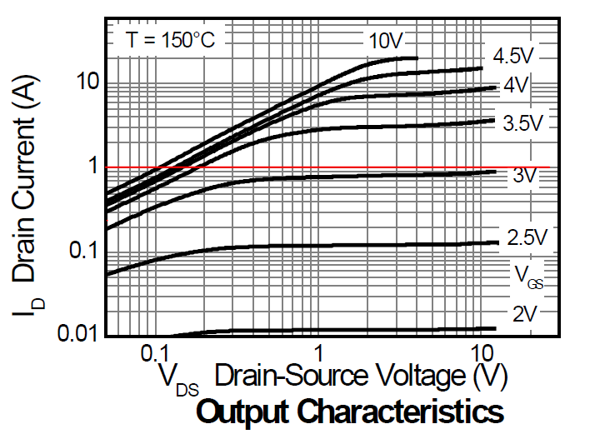
 | VDS tipping point @Io (e.g. DMN6068LK3) | VDS_tp= | 0.4 | V | Select opreating line on ID VS. VDS Curve, (from the figure, the Vgs is about 3.1V~3.2V) the tipping point for linear zone to saturation zone@VDS=0.4V

 | K=RLMT1/RLMT2 | K= | 1.4 |  | to get good ripple suppression, MOSFET should opoerate in saturation zone, then K should meet (1+K)*VLMT_DISCHARG > VDS_tp+VS

4. SCP check | RLMT Divider | RLMT1/RLMT2= | 1.7 |  | If the current ripple is still big, increase the ratio. In TRIAC dimming, need bigger ratio:3~6
 | RLMT1 | RLMT1= | 470 | kohm
 | RLMT2 | RLMT2= | 280 | kohm
 | SCP trigger threshold | VSCP_TH= | 24.16 | V
 | Check VSCP_THNote(1) | if meet VSCP_TH<VLED+_min ? |  |  | OK
 |  | if meet Vovp-VLED_min<VSCP_TH ? |  |  | OK
DMN6068LK3 I_{D} VS V_{DS} Curve
5.C3 Selection |  | C3= | 1 | uF | If current ripple is still big, increase C3, but the dynamic performance would be not good. Recommend C3=1uF~2.2uF

Note(1) | Need to check: if VLED->VSCP_TH when short condition removed before gate is turned to high. If yes RLED is not used, otherwise adding a 500kohm RLED paralled with LED string.

