Calculator
 |  |  |  | Avalanche calculator
 |  |  |  | Issue 1.1
 |  |  |  | Copyright, Diodes Incorporated, 2019

Input system design parameters | Symbol | INPUT | Units | Recommendations/Comments | Output parameters | Symbol | RESULTS | Units
Q1 BVCES_min | BVCES | 250 | V | Enter min shorted base breakdown voltage > BVCEO | Peak power | P_pk | 7350 | W
Q1 BVCEO_max | BVCEO | 100 | V | Enter max open base breakdown voltage < BVCES | Peak LED power | Pled_pk | 420.0 | W
Led forward voltage | Vf | 12 | V | Enter the LED forward voltage >= 0V | RMS pulse voltage | V_rms | 121.2 | V
DC input high voltage | HV | 210 | V | Set a voltage (BVCES+Vf) > HV >( BVCEO+Vf) | RMS pulse current | I_rms | 20.21 | A
Peak current | Imax | 35 | A | Set the peak avalanche current >= 5A | Pulse energy | E | 8.830 | uJ
Pulse width | tp | 4 | ns | Set the desired pulse width >= 0.5ns | Charge required | Q | 80.829 | nC
Operating frequency / Pulses per second | fo | 250 | kHz | Set the number of pulses in 1 second | Capacitance | C | 384.900 | pF
Minimum cycle time | Tcycle | 4 | us | Set the minimum time between pulses >= 0.5us | Capacitive energy | Ecap | 8.487 | uJ
Parasitic inductance in loop | Lp | 1 | nH | Enter the estimated loop inductance | Charge resistor | Rcharge | 2.078 | kΩ
 |  |  |  |  | Charge resistor power | P_Rcharge | 1.886 | W
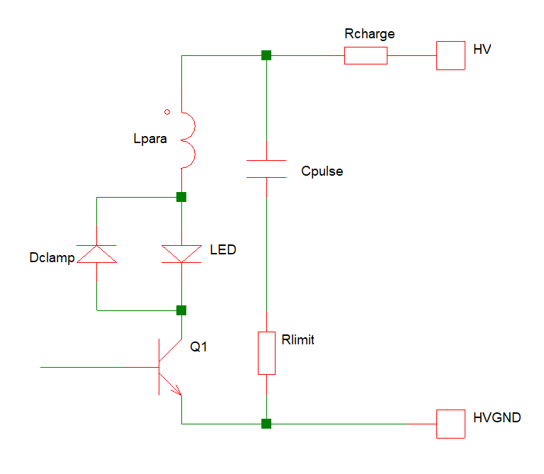
 |  |  |  |  | Loop reactance | Xloop | 1.571 | Ω
 |  |  |  |  | Limit resistor | Rlimit | 4.086 | Ω
 |  |  |  |  | Limit resistor power | P_Rlimit | 1.669 | W
 |  |  |  |  | Inductive overshoot voltage | V_ring | 32.571 | V

 |  |  |  |  | Grey : Results/Outputs
 |  |  |  |  | Yellow: Input
 |  |  |  |  | White: units and comments

