Calculator
 |  |  |  | BCR430 Calculator
Device Limits | Symbol | BCR430 | Units | Issue 2
Maximum supply voltage | Vs_max | 45 | V | Copyright, Diodes Incorporated, 2020
Maximum output voltage | Vo_max | 42 | V
Maximum output current | Iout_max | 100 | mA
Maximum Rext current | Iext_max | 0.3 | mA
Maximum Rext voltage | Vext_max | 5 | V
Maximum Junction temperature | Tj_max | 150 | ◦C
Maximum output saturation voltage | Vo_sat | 0.2 | V
Maximum power | Pd_max | 993 | mW

Input system design parameters | Symbol | INPUT | Units | Recommendations/Comments | Output parameters | Symbol | RESULTS | Units
Vsupply | Vs | 20 | V | Vs < Vs_max and > (Vleds + Vo_sat) | LED chain voltage | Vleds | 15 | V
No of LEDs | N_leds | 5 |  |  | Output voltage | Vout | 5 | V
LED current | Iout | 20 | mA | Set a value between 5mA - 100mA | Current programming resistor | Rext | 31.12 | kΩ
Led forward voltage | Vf | 3 | V | Typically 3.1V | Power Dissipation in BCR | Pd_BCR | 100.00 | mW
Ambient temperature | Ta | 25 | °C | Enter a Ta value between -40°C and 150°C | Power Dissipation in Rext | Pd_Rext | 0.03 | mW
Cu area in mm square | Area | 1000 | mm2 | Enter a Cu area between 25 and 2500 | Total Power | Ptot | 400.00 | mW
Cu thickness in oz | Weight | 2 | oz | 1 or 2 | System efficiency | Effy | 75.000 | %
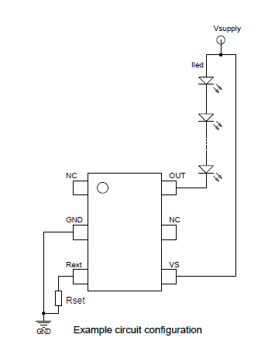
 |  |  |  |  | Thermal resistance junction-ambient | Rth | 109.24111329 | °C/W
 |  |  |  |  | Junction temperature | Tj | 35.92 | °C

 |  |  |  |  | Grey : Results/Outputs
 |  |  |  |  | Yellow: Input
 |  |  |  |  | White: units and comments

