Tool
 |  | DIODES PSR AC/DC solution design tool V1.0

Parameter specification list
Minimum AC input voltage |  |  |  |  | VAC Min
Maximum AC input voltage |  |  |  |  | VAC Max
Line frequency |  |  |  |  | fAC
Bus capacitor DC ripple voltage |  |  |  |  | VDC Ripple
Output voltage |  |  |  |  | Vout
Forward voltage of output diode |  |  |  |  | VF
Output currnet |  |  |  |  | Iout
Output ripple voltage |  |  |  |  | VOut Ripple
Nominal output power |  |  |  |  | POut Nor
Efficency |  |  |  |  | η
Maximum output current(Constant current point) |  |  |  |  | Iomax
switch frequency |  |  |  |  | fsw
Ae Of Selected Core |  |  |  |  | Ae
Turns Ratio Np/Ns |  |  |  |  | n
Peak value of primary side current |  |  |  |  | Ipk
Peak value of secondary side current |  |  |  |  | Ipks
Primary side Inductance |  |  |  |  | Lp
Sense resistor of Primary side peak current |  |  |  |  | Rcs
Peak Current Sense Threshold Voltage@Light load |  |  |  |  | Vcs_L
Peak Current Sense Threshold Voltage@Heavy load |  |  |  |  | Vcs_H
Primary side Winding Number |  |  |  |  | Np
Secondary side Winding Number |  |  |  |  | NS
Auxiliary Winding Number |  |  |  |  | NAUX
Maximum Duty |  |  |  |  | Dmax
Minimum Duty |  |  |  |  | Dmin
Maximum switch frequency |  |  |  |  | Fsw_max
Minimum switch frequency |  |  |  |  | Fsw_min
Maximum Flux density |  |  |  |  | B_max
maximum Vce Voltage Estimate (Includes Effect of Leakage Inductance) |  |  |  |  | VDS_max
Output Rectifier Maximum Peak Inverse Voltage |  |  |  |  | Vsf_max
Auxiliary Winding voltage |  |  |  |  | VAUX
FB pin Voltage Sample Time |  |  |  |  | Tsample_H
The voltage feedback from auxiliary winding |  |  |  |  | FB
FB pin Short Circuit Protection detection voltage |  |  |  |  | FB_SCP
Secondary Winding Conduction Duty |  |  |  |  | Tons/Tsw
The conduction time when primary side switch is “ON” |  |  |  |  | TONP
Maximum Turn-on Time |  |  |  |  | TONP_max
The conduction time when secondary side diode is “ON” |  |  |  |  | TONS
The dead time when neither primary side switch nor secondary side diode is “ON” |  |  |  |  | TOFF
The period of switching frequency |  |  |  |  | TSW

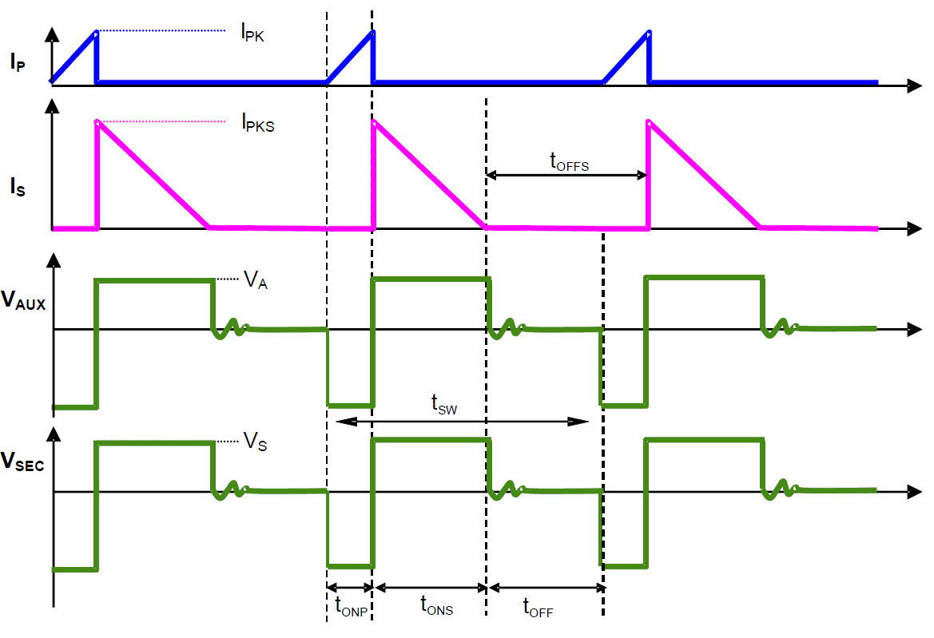
User input | calculation results

Select IC First | AP3981D2
IC Mainly Parameter
Vcs_L | 180 | mV
Vcs_H | 630 | mV
FB | 2.4 | V
FB_SCP | 1.35 | V
Tsample_H_max | Ratio 85% | us
Tons/Tsw | 0.5
TONP_max | 16 | us
fsw_max | 80 | KHz

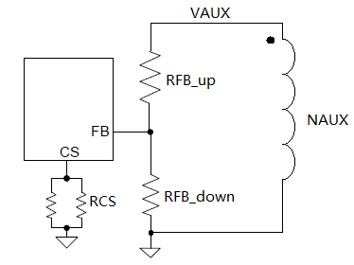
1. Enter System input |  |  | Calculate design parameters
VAC Min | 90 | V | Lp | 1.28 | mH
VAC Max | 264 | V | n＜ | 16.63
Vout | 5 | V | Np | 73.66 | Turns
Io | 2.3 | A | Ns | 4.43 | Turns
η | 0.84 |  | Naux | 10.66 | Turns
VF | 0.4 | V | Ipk | 0.55 | A
fsw | 70 | KHz | Ipks | 9.20 | A
B_max | 0.3 | Ts | Rcs | 1.14 | Ω
Tons/Tsw | 0.5
Vcc | 13 | V
Vsf_max | 150 | V
Ae | 32 | mm^2

Fill in actual design parameters |  |  | Get Calculation System Result
Np | 82 | Turns | n | 16.40
Ns | 5 | Turns | Dmax | 0.49
NAUX | 12 | Turns | Dmin | 0.13
Lp | 1.4 | mH | Ipk | 0.57 | A
Rcs | 1.1 | Ω | Ipks | 9.39 | A
Ae | 32 | mm^2 | Io_max | 2.35 | A
RFB_up | 47.0 | KΩ | Fsw_max | 60.87 | KHz
RFB_down | 10.68 | KΩ | Bmax | 0.31 | Ts
RFB_rate | 4.40 | RFB_up/RFB_down | VDS_max | 562 | V
 |  |  | Vsf_max | 28 | V
 |  |  | Vaf_max | 67.59 | V
 |  |  | Vcc | 12.96 | V
 |  |  | TONS | 8.89 | us

